Indices

 | Iraq Stock Exchange
 | Bulletin No (11)
 | ISX Trading Indices of Tuesday 20/1/2026

 | Traded Volume and OTC |  | 202,892,588 |  | Traded Value and OTC |  | 313,093,748 |  | Traders | 680

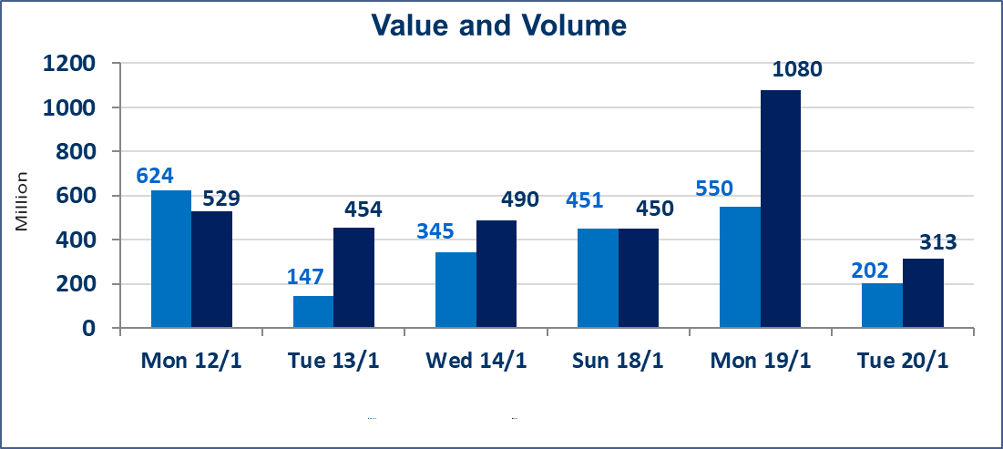
 | ISX Index 60 |  |  | 971.85 | ISX Index 15 |  |  | 1206.21
 | Previous ISX Index60 |  |  | 968.00 | Previous ISX Index15 |  |  | 1204.70
 | Change % |  |  | 0.40 | Change % |  |  | 0.13
 | Change |  |  | 3.85 | Change |  |  | 1.51

 | Listed Companies | 104 | OTC | 14 | Non Traded listed | 43 | OTC | 13
 | Traded Listed Companies | 46 | OTC | 1 | Higher Companies |  |  | 19
 | GAM Companies |  |  | 5 | Lower Companies |  |  | 7
 | Suspended Companies |  |  | 10
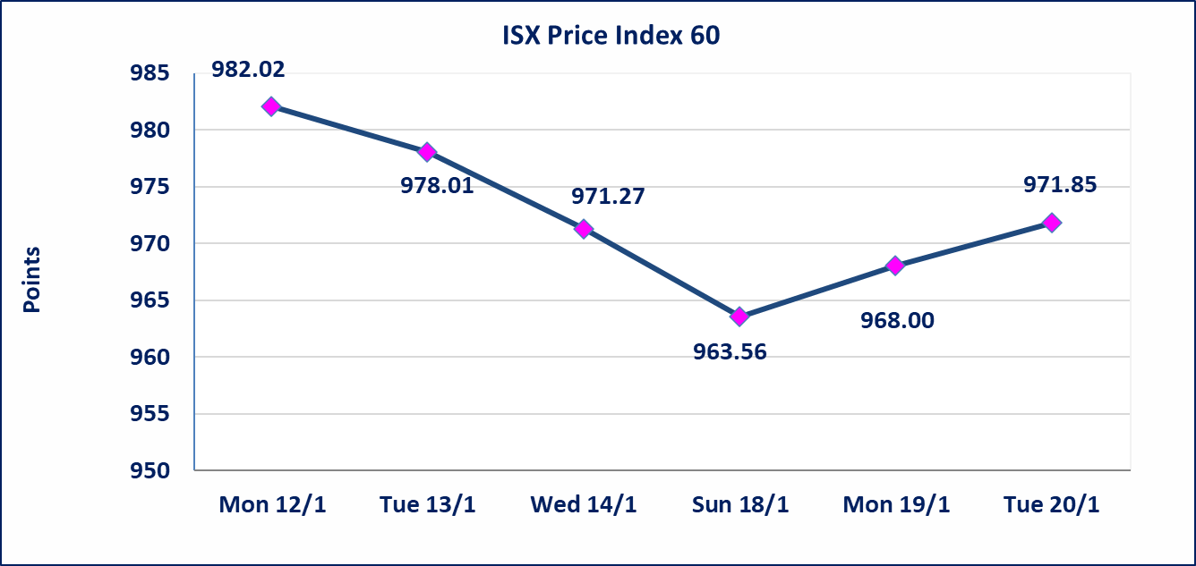
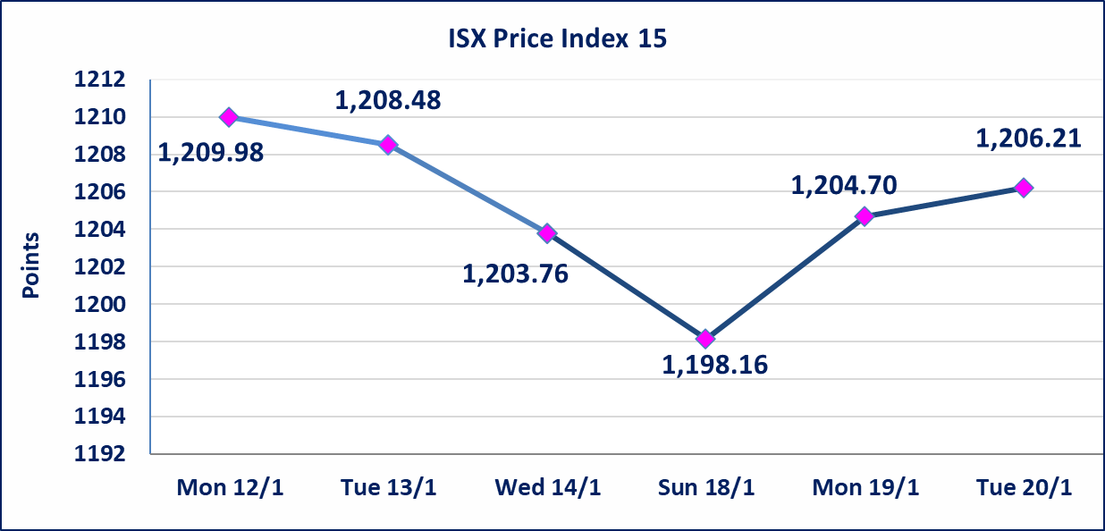

Al-Alwiya P.O . 3607 Mobile: 07711211522 - 07270094594 - 07834000034 E-mail: info-isx@isx-iq.net Web site:www.isx-iq.net

Top 5
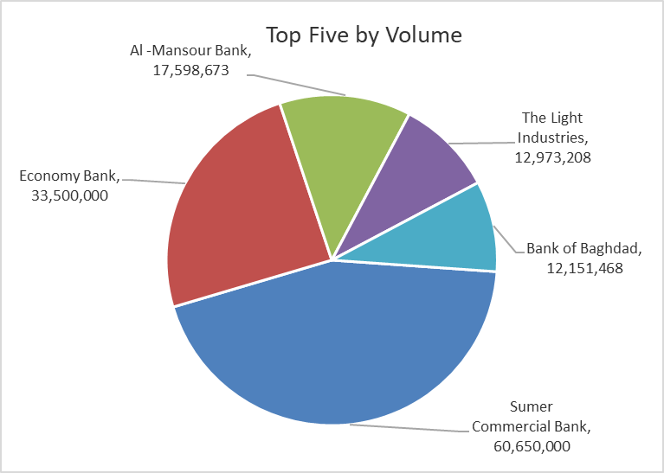
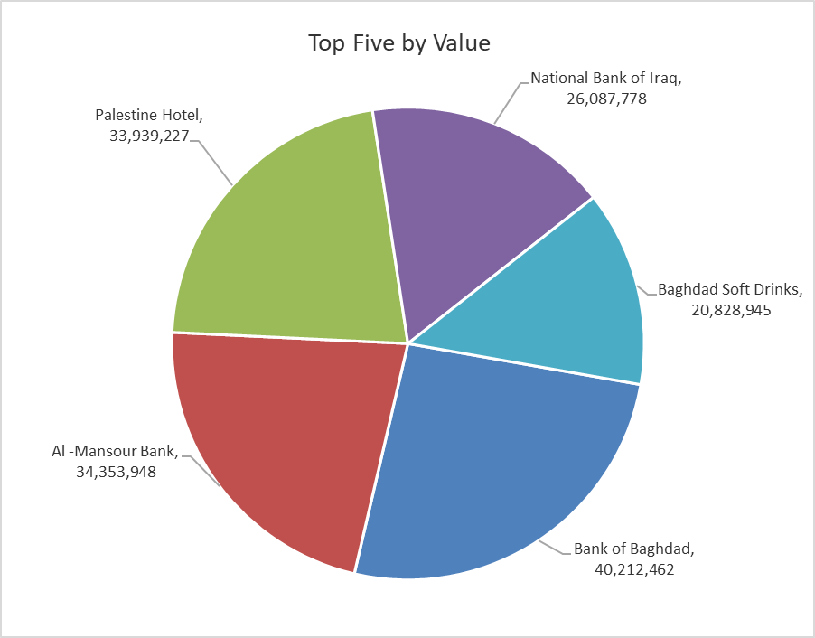
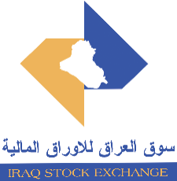
ISX top ganing and losing companies
Tuesday 20/1/2026
 | Gainers |  |  |  | Losers
 | Company Name | Closing Price | Change (%) | Traded Volume | Company Name | Closing Price | Change (%) | Traded Volume
 | Al-Hamraa for Insurance | 1.300 | 19.27 | 70,000 | Babil Animal & Vegetable Production | 7.000 | -10.26 | 347,147
 | International Islamic Bank | 0.280 | 12.00 | 10,000 | Tourist Village of Mosul dam | 15.900 | -9.19 | 59,000
 | Agricultural Products Meat | 5.000 | 8.70 | 12,056 | Palestine Hotel | 21.570 | -4.98 | 1,572,920
 | Fallujah for construction Materials | 3.150 | 6.42 | 2,562,640 | Al -Khazer Construction Materials | 1.350 | -3.57 | 173,614
 | National Chemical &Plastic | 1.970 | 4.79 | 5,851,143 | Iraqi Islamic Bank | 1.020 | -2.86 | 563,886
 | The most active companies in term of traded volume and value

 | Traded Volume |  |  |  | Traded Value
 | Company Name | Closing Price | Change (%) | Traded Volume | Company Name | Closing Price | Change (%) | Traded Value
 | Sumer Commercial Bank | 0.130 | 0.00 | 60,650,000 | Bank of Baghdad | 3.350 | 1.52 | 40,212,462
 | Economy Bank | 0.220 | 0.00 | 33,500,000 | Al -Mansour Bank | 1.960 | 0.51 | 34,353,948
 | Al -Mansour Bank | 1.960 | 0.51 | 17,598,673 | Palestine Hotel | 21.570 | -4.98 | 33,939,227
 | The Light Industries | 1.400 | 1.45 | 12,973,208 | National Bank of Iraq | 4.600 | -1.92 | 26,087,778
 | Bank of Baghdad | 3.350 | 1.52 | 12,151,468 | Baghdad Soft Drinks | 5.720 | 0.35 | 20,828,945

